Sheet1
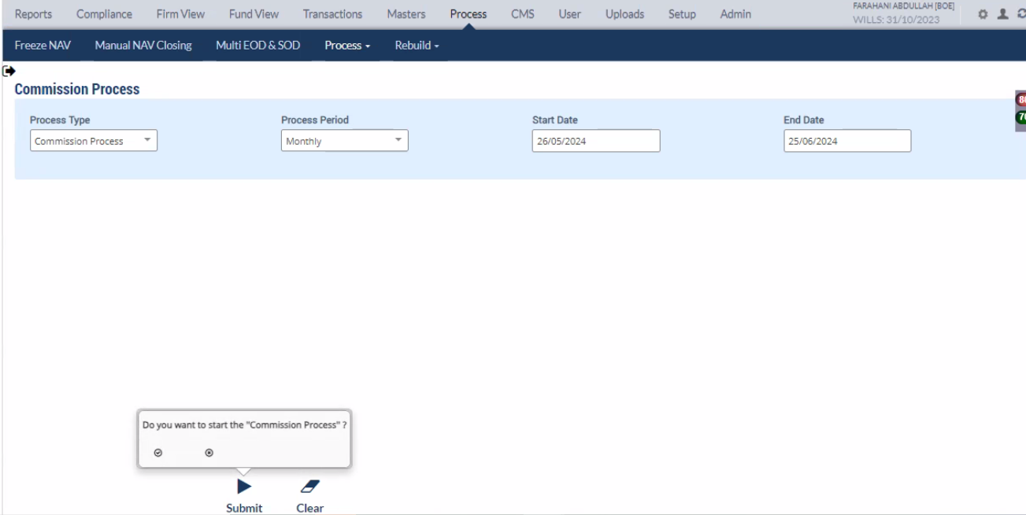
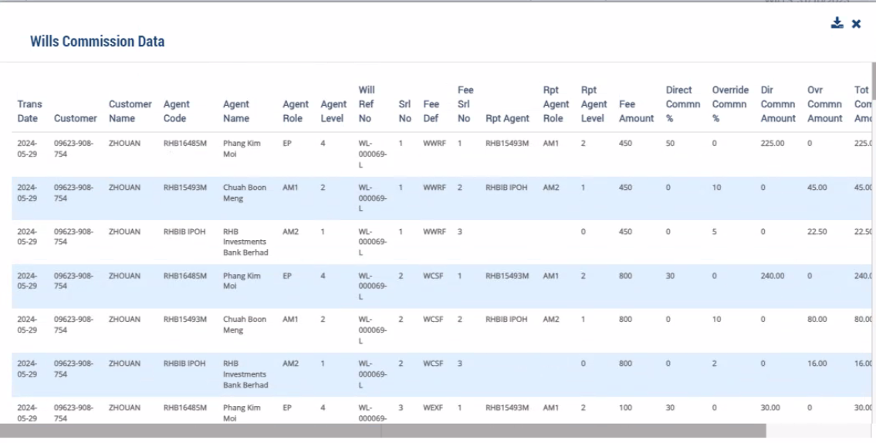
Commission Process

Enter Start Date and End Date and Submit the commission process

